Table 18
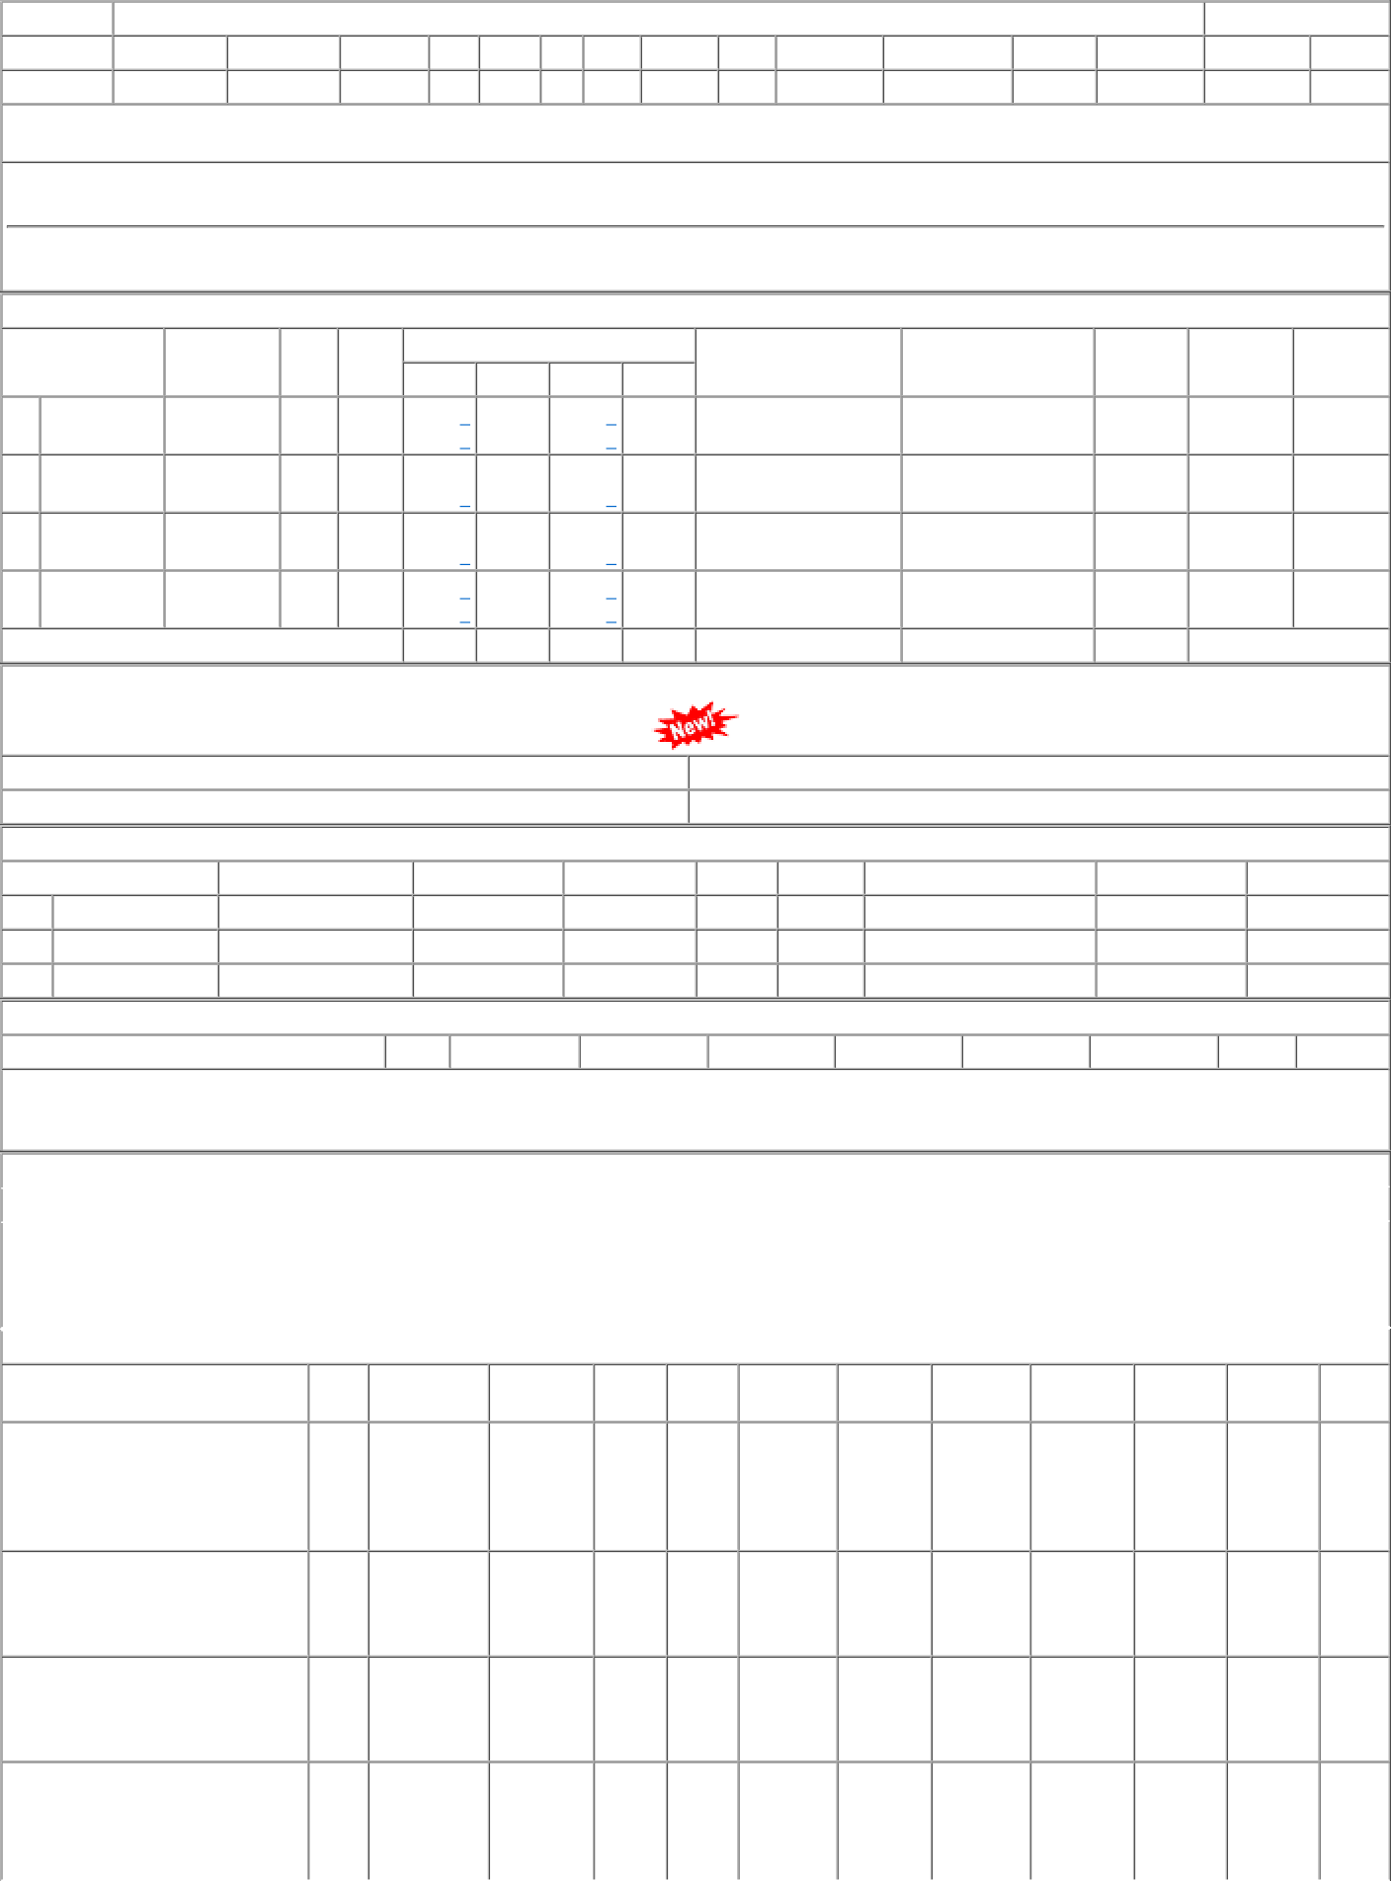
P.O.No.15211051103020 dt.05/07/21 on M/s.ANNAPURNA ENGINEERING WORKS- | 002 | BVPW | 677.54 | 476 | Nos. 0 | 0 476 | 2022-04-30 | 25/02/22 30/04/22 OP

